Tabelle1
The aim of this questionnaire is to develop your individual decision profile as a Service Provider.

 | Please write down your first and last names: |  |  |  |  |  |  | irem |  |  |  |  |  |  |  | Date: | < enter date here >

 | The nature of each decision should be determined either by logic ( ) or by feeling ( ).

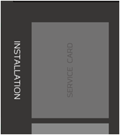
 |  | Game Phase: |  | 1 | 2 | 3 | 4 |  | 5 | 6

 |  | Round: |  | 1 | 2 | 3 | 4 |  | 5 | 6

1. | Development - draw up to 4 (or less) service cards. Number of cards drawn is:
 |  |  |  |  |  |  |  |  |  | 0

 | How was this decision made?
 |  |  |  |  |  |  |  |  |  |  |  |  |  |  |  |  |  |  | Result for question 1:
 |  |  | Logic: | 4 | 2 | 2 | 2 |  | 2 | 2 | weak [1] - [2] - [3] - [4] strong |  |  |  |  |  |  |  | Logic: | 14
 |  |  | Feeling: | 2 | 2 | 2 | 2 |  | 2 | 3 | weak [1] - [2] - [3] - [4] strong |  |  |  |  |  |  |  | Feeling: | 13

1 = INSTALLATION
2 = USE
3 = MAINTENANCE
4 = DISPOSAL
2. | Launch, deployment and competition / Launch
 |  |  |  | - | - | - | - |  | - | -

 | How was this decision made?
 |  |  |  |  |  |  |  |  |  |  |  |  |  |  |  |  |  |  | Result for question 2:
 |  |  | Logic: | 4 | 3 | 1 | 3 |  | 1 | 1 | weak [1] - [2] - [3] - [4] strong |  |  |  |  |  |  |  | Logic: | 13
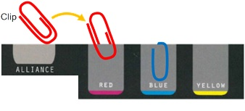
 |  |  | Feeling: | 4 | 4 | 4 | 4 |  | 2 | 2 | weak [1] - [2] - [3] - [4] strong |  |  |  |  |  |  |  | Feeling: | 20

3. | Target color addition (add colour)

 | How was this decision made?
 |  |  |  |  |  |  |  |  |  |  |  |  |  |  |  |  |  |  | Result for question 3:
 |  |  | Logic: | 4 | - | - | - |  | - | - | weak [1] - [2] - [3] - [4] strong |  |  |  |  |  |  |  | Logic: | 4
 |  |  | Feeling: | 1 | - | - | - |  | - | - | weak [1] - [2] - [3] - [4] strong |  |  |  |  |  |  |  | Feeling: | 1

 | Please write down your first and last names: |  |  |  |  |  |  |  |  |  |  |  |  |  |  | Date:

 | The nature of each decision should be determined either by logic ( ) or by feeling ( ).

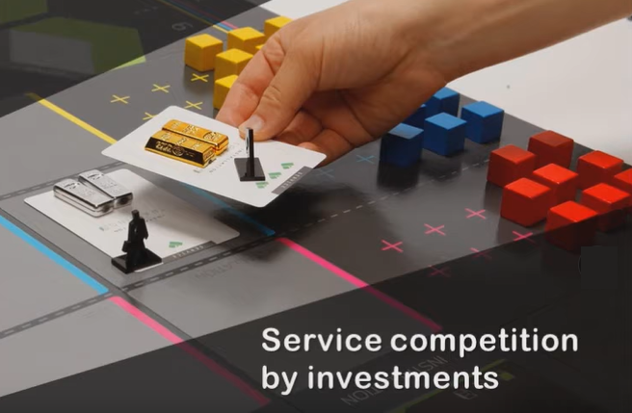
 |  | Game Phase: |  | 1 | 2 | 3 | 4 |  | 5 | 6

 |  | Round: |  | 1 | 2 | 3 | 4 |  | 5 | 6

4. | Service Competition (replace a competitor's service card)

 | How was this decision made?
 |  |  |  |  |  |  |  |  |  |  |  |  |  |  |  |  |  |  | Result for question 4:
 |  |  | Logic: | 4 | - | - | 3 |  | 3 | 3 | weak [1] - [2] - [3] - [4] strong |  |  |  |  |  |  |  | Logic: | 13
 |  |  | Feeling: | - | - | - | 1 |  | 3 | 4 | weak [1] - [2] - [3] - [4] strong |  |  |  |  |  |  |  | Feeling: | 8

5. | Switch to the PSS or the Alliance:

 | The decision was made in the round:
 |  |  |  |  |  |  |  |  |  |  |  |  |  | Cost: [Product Provider] 20 pts. |  |  |  | Cost: 40 pts. for Alliance
 |  |  |  |  |  |  |  |  |  |  |  |  |  | [Service Provider] 50 pts.
 | How was this decision made?
 |  |  |  |  |  |  |  |  |  |  |  |  |  |  |  |  |  |  | Result for question 5:
 |  |  | Logic: | 4 | - | - | 4 |  | - | - | weak [1] - [2] - [3] - [4] strong |  |  |  |  |  |  |  | Logic: | 8
 |  |  | Feeling: | - | - | - | 1 |  | - | - | weak [1] - [2] - [3] - [4] strong |  |  |  |  |  |  |  | Feeling: | 1

 | Result for Your Individual Decision Profile as a Product Provider: |  |  |  |  |  |  |  |  |  |  | Logic: | 52 |  | Feeling: | 43

Sheet1
The aim of this questionnaire is to develop your individual decision profile as a Service Provider.

 | Please write down your first and last names: |  | irem |  |  |  |  |  |  |  | Date: | < enter date here >

 | The nature of each decision should be determined either by logic ( ) or by feeling ( ).

 |  | Game Phase:

 |  | Round:

1. | Development - draw up to 4 (or less) service cards. Number of cards drawn is:

 | How was this decision made?
 |  |  |  |  |  |  |  |  |  |  |  |  |  | Result for question 1:
 |  |  |  |  |  |  |  |  |  |  |  |  |  | Logic: | 0
 |  |  |  |  |  |  |  |  |  |  |  |  |  | Feeling: | 0

1 = INSTALLATION
2 = USE
3 = MAINTENANCE
4 = DISPOSAL
2. | Launch, deployment and competition / Launch

 | How was this decision made?
 |  |  |  |  |  |  |  |  |  |  |  |  |  | Result for question 2:
 |  |  |  |  |  |  |  |  |  |  |  |  |  | Logic: | 0
 |  |  |  |  |  |  |  |  |  |  |  |  |  | Feeling: | 0

3. | Target color addition (add colour)

 | How was this decision made?
 |  |  |  |  |  |  |  |  |  |  |  |  |  | Result for question 3:
 |  |  |  |  |  |  |  |  |  |  |  |  |  | Logic: | 0
 |  |  |  |  |  |  |  |  |  |  |  |  |  | Feeling: | 0

 | Please write down your first and last names: |  |  |  |  |  |  |  |  |  | Date:

 | The nature of each decision should be determined either by logic ( ) or by feeling ( ).

 |  | Game Phase:

 |  | Round:

4. | Service Competition (replace a competitor's service card)

 | How was this decision made?
 |  |  |  |  |  |  |  |  |  |  |  |  |  | Result for question 4:
 |  |  |  |  |  |  |  |  |  |  |  |  |  | Logic: | 0
 |  |  |  |  |  |  |  |  |  |  |  |  |  | Feeling: | 0

5. | Switch to the PSS or the Alliance:

 | The decision was made in the round:
 |  |  |  |  |  |  |  |  | Cost: [Product Provider] 20 pts. |  |  |  | Cost: 40 pts. for Alliance
 |  |  |  |  |  |  |  |  | [Service Provider] 50 pts.
 | How was this decision made?
 |  |  |  |  |  |  |  |  |  |  |  |  |  | Result for question 5:
 |  |  |  | - | - | weak [1] - [2] - [3] - [4] strong |  |  |  |  |  |  |  | Logic: | 0
 |  |  |  | - | - | weak [1] - [2] - [3] - [4] strong |  |  |  |  |  |  |  | Feeling: | 0

 | Result for Your Individual Decision Profile as a Product Provider: |  |  |  |  |  | Logic: | 0 |  | Feeling: | 0

